Exercício 2
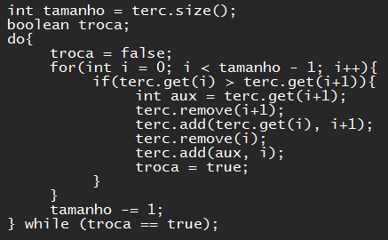
A | Prim |  |  |  |  | comando
 |  |  |  |  |  | terc.addFirst(sec.get(2))
 | 0 | 1 |  |  |  | terc.addFirst(sec.get(1))
 | 1 | 7 |  |  |  | terc.addFirst(sec.get(0))
 |  |  |  |  |  | terc.addFirst(prim.get(1))
 | Sec |  |  |  |  | terc.addFirst(prim.get(0))

 | 0 | 1 | 2
 | 3 | 4 | 8

 | Terc Original

 | 0 | 1 | 2 | 3 | 4
 | 1 | 7 | 3 | 4 | 8

B | Terc Ordenada

 | 0 | 1 | 2 | 3 | 4
 | 1 | 3 | 4 | 7 | 8

Exercício 3
Lista l

0 | 1 | 2 | 3 | 4 | 5 | 6 | 7 | 8 | 9 | 10
3 | 5 | 8 | 12 | 9 | 7 | 6 | 2 | 3 | 7 | 16

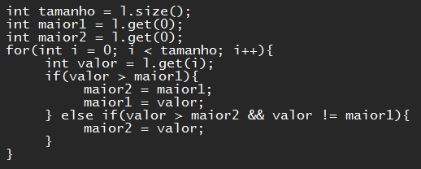

i | valor | maior1 | maior2
- | - | 3 | 3
0 | 3 | 3 | 3
1 | 5 | 5 | 3
2 | 8 | 8 | 5
3 | 12 | 12 | 8
4 | 9 | 12 | 9
5 | 7 | 12 | 9
6 | 6 | 12 | 9
7 | 2 | 12 | 9
8 | 3 | 12 | 9
9 | 7 | 12 | 9
10 | 16 | 16 | 12

Exercício 4
Vetor

0 | 1 | 2 | 3 | 4 | 5 | 6 | 7 | 8 | 9 | 10 | 11 | 12 | 13 | 14 | 15 | 16 | 17 | 18
25 | 42 | 23 | 74 | 80 | 77 | 13 | 41 | 59 | 35 | 68 | 53 | 75 | 84 | 44 | 94 | 39 | 71 | 88

Lista

0 | 1 | 2 | 3 | 4 | 5 | 6 | 7 | 8 | 9 | 10 | 11 | 12 | 13 | 14 | 15 | 16 | 17 | 18

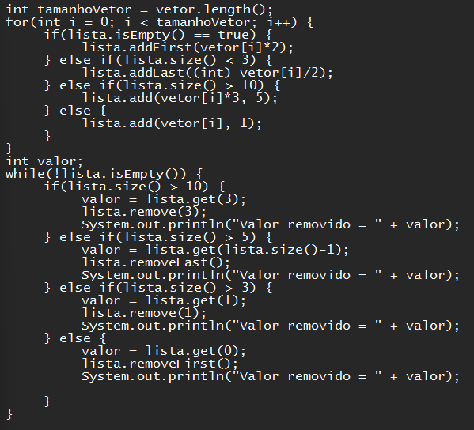
i | valor |  | i | console
0 | 50 |  | 0 | 59
1 | 21 |  | 1 | 41
2 | 11 |  | 2 | 264
3 | 74 |  | 3 | 213
4 | 80 |  | 4 | 117
5 | 77 |  | 5 | 282
6 | 13 |  | 6 | 132
7 | 41 |  | 7 | 252
8 | 59 |  | 8 | 225
9 | 35 |  | 9 | 11
10 | 68 |  | 10 | 21
11 | 159 |  | 11 | 74
12 | 225 |  | 12 | 80
13 | 252 |  | 13 | 77
14 | 132 |  | 14 | 68
15 | 282 |  | 15 | 35
16 | 117 |  | 16 | 50
17 | 213 |  | 17 | 159
18 | 264 |  | 18 | 13

